Normal
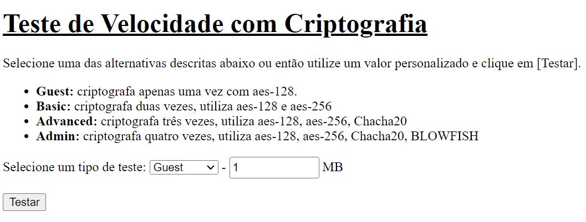

Guest

Encryption time(s) |  |  | Packet Size(MB) | Decryption time(s) | Packet Size(MB)
0.00052165985107 |  |  | 1 | 0.0010485649109 | 1
0.0035347938538 |  |  | 5 | 0.0036952495575 | 5
0.0082938671112 |  |  | 10 | 0.010370254517 | 10
0.012590169907 |  |  | 20 | 0.011621713638 | 20
0.023467540741 |  |  | 50 | 0.021375656128 | 50
Encryption and decryption time
0.00052165985107 | 1
0.0035347938538 | 5
0.0082938671112 | 10
0.012590169907 | 20
0.023467540741 | 50

0.0010485649109
0.0036952495575
0.010370254517
0.011621713638
0.021375656128

Basic

Encryption time(s) |  |  | Packet Size(MB) | Decryption time(s) | Packet Size(MB)
0.0023577213287 |  |  | 1 | 0.0023577213287 | 1
0.006010055542 |  |  | 5 | 0.0063779354095 | 5
0.010005235672 |  |  | 10 | 0.010005235672 | 10
0.029229164124 |  |  | 20 | 0.024615287781 | 20
0.043834209442 |  |  | 50 | 0.043834209442 | 50
Encryption and decryption time
0.0023577213287 | 0.0023577213287 | 1
0.006010055542 | 0.0063779354095 | 5
0.010005235672 | 0.010005235672 | 10
0.029229164124 | 0.024615287781 | 20
0.043834209442 | 0.043834209442 | 50

Advanced

Encryption time(s) |  |  | Packet Size(MB) | Decryption time(s) | Packet Size(MB)
0.0069873332977 |  |  | 1 | 0.0040061473846 | 1
0.023566007614 |  |  | 5 | 0.023566007614 | 5
0.048594236374 |  |  | 10 | 0.04502081871 | 10
0.094659805298 |  |  | 20 | 0.092328071594 | 20
0.21651148796 |  |  | 50 | 0.21447849274 | 50
Encryption and decryption time
0.0069873332977 | 0.0040061473846 | 1
0.023566007614 | 0.023566007614 | 5
0.048594236374 | 0.04502081871 | 10
0.094659805298 | 0.092328071594 | 20
0.21651148796 | 0.21447849274 | 50

Admin

Encryption time(s) |  |  | Packet Size(MB) | Decryption time(s) | Packet Size(MB)
0.013510704041 |  |  | 1 | 0.01314663887 | 1
0.05494761467 |  |  | 5 | 0.050185918808 | 5
0.10706424713 |  |  | 10 | 0.10232973099 | 10
0.21267271042 |  |  | 20 | 0.20536494255 | 20
0.51016998291 |  |  | 50 | 0.49067234993 | 50
Encryption and decryption time
 | 0.013510704041 | 0.01314663887 | 1
 | 0.05494761467 | 0.050185918808 | 5
 | 0.10706424713 | 0.10232973099 | 10
 | 0.21267271042 | 0.20536494255 | 20
 | 0.51016998291 | 0.49067234993 | 50

Chacha20->AES-ctr
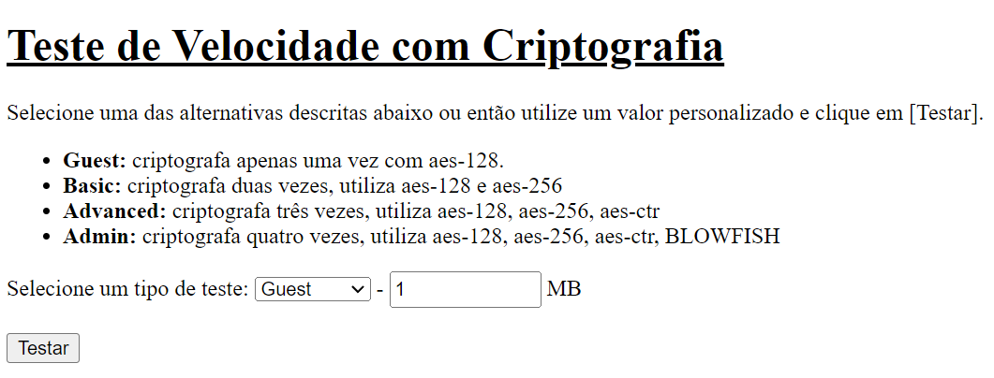

Advanced

Encryption time(s) |  |  | Packet Size(MB) | Decryption time(s) | Packet Size(MB)
0.0022618770599 |  |  | 1 | 0.0022859573364 | 1
0.0141518116 |  |  | 5 | 0.015989542007 | 5
0.02853178978 |  |  | 10 | 0.030539035797 | 10
0.052219629288 |  |  | 20 | 0.042799711227 | 20
0.1092979908 |  |  | 50 | 0.13552737236 | 50
Encryption and decryption time
0.0022618770599 | 0.0022859573364 | 1
0.0141518116 | 0.015989542007 | 5
0.02853178978 | 0.030539035797 | 10
0.052219629288 | 0.042799711227 | 20
0.1092979908 | 0.13552737236 | 50

Admin

Encryption time(s) |  |  | Packet Size(MB) | Decryption time(s) | Packet Size(MB)
0.0091593265533 |  |  | 1 | 0.0077397823334 | 1
0.04234290123 |  |  | 5 | 0.036720752716 | 5
0.078921556473 |  |  | 10 | 0.071315765381 | 10
0.15392351151 |  |  | 20 | 0.14397287369 | 20
0.39705109596 |  |  | 50 | 0.40740919113 | 50
Encryption and decryption time
 | 0.0091593265533 | 0.0077397823334 | 1
 | 0.04234290123 | 0.036720752716 | 5
 | 0.078921556473 | 0.071315765381 | 10
 | 0.15392351151 | 0.14397287369 | 20
 | 0.39705109596 | 0.40740919113 | 50

BLOWFISH->AES-ctr
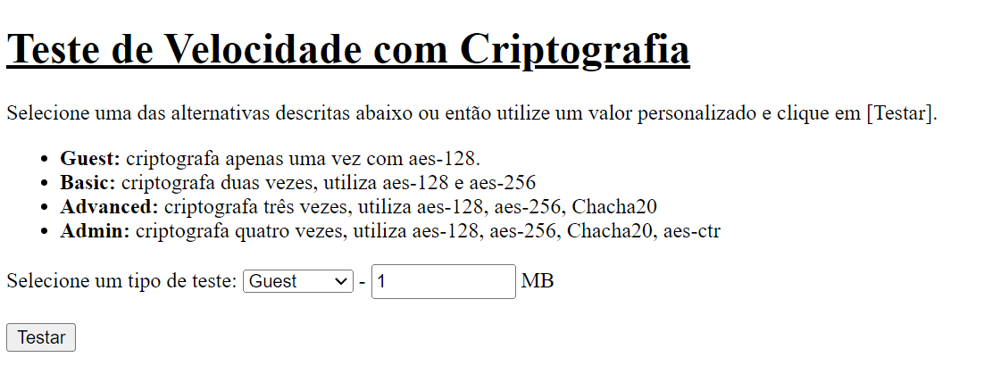

Admin

Encryption time(s) |  |  | Packet Size(MB) | Decryption time(s) | Packet Size(MB)
0.0091412067413 |  |  | 1 | 0.0050001144409 | 1
0.028021335602 |  |  | 5 | 0.027941703796 | 5
0.085351228714 |  |  | 10 | 0.066273927689 | 10
0.10662865639 |  |  | 20 | 0.12965393066 | 20
0.26561999321 |  |  | 50 | 0.29020524025 | 50
Encryption and decryption time
0.0091412067413 | 0.0050001144409 | 1
0.028021335602 | 0.027941703796 | 5
0.085351228714 | 0.066273927689 | 10
0.10662865639 | 0.12965393066 | 20
0.26561999321 | 0.29020524025 | 50

Novo_modelo_HMAC-SHA256
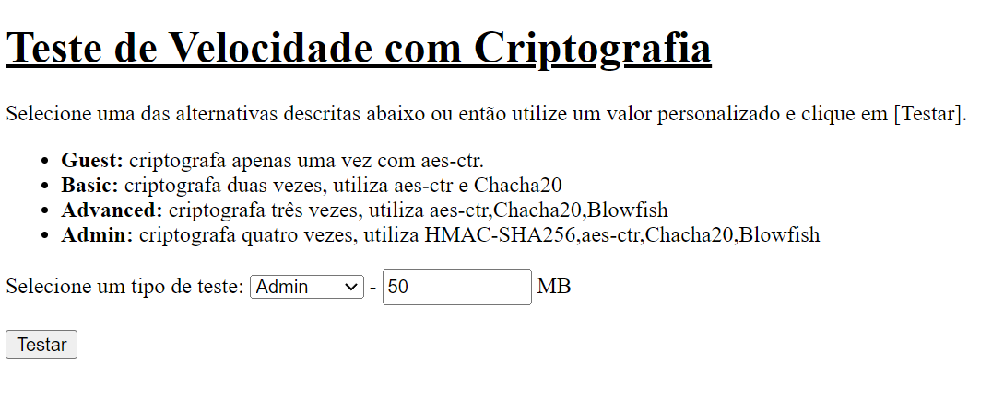

Guest

Encryption time(s) | Packet Size(MB) | Decryption time(s) | Packet Size(MB)
0.0010001659393 | 1 | 0.00096774101257 | 1
0.0040035247803 | 5 | 0.003999710083 | 5
0.0067229270935 | 10 | 0.0060234069824 | 10
0.012011766434 | 20 | 0.012996673584 | 20
0.028767347336 | 50 | 0.027992963791 | 50
Encryption and decryption time

Basic

Encryption time(s) | Packet Size(MB) | Decryption time(s) | Packet Size(MB)
0.0045156478882 | 1 | 0.0040187835693 | 1
0.021000146866 | 5 | 0.02104139328 | 5
0.042013645172 | 10 | 0.040704965591 | 10
0.083173036575 | 20 | 0.08158826828 | 20
0.20388650894 | 50 | 0.21759653091 | 50
Encryption and decryption time

Advanced

Encryption time(s) | Packet Size(MB) | Decryption time(s) | Packet Size(MB)
0.012796878815 | 1 | 0.01066160202 | 1
0.054308652878 | 5 | 0.053363084793 | 5
0.12661027908 | 10 | 0.13946318626 | 10
0.20340490341 | 20 | 0.19566345215 | 20
0.50789260864 | 50 | 0.54235506058 | 50
Encryption and decryption time

Admin

Encryption time(s) | Packet Size(MB) | Decryption time(s) | Packet Size(MB)
0.025035381317 | 1 | 0.025121927261 | 1
0.1374604702 | 5 | 0.13532090187 | 5
0.25066208839 | 10 | 0.26654052734 | 10
0.5343337059 | 20 | 0.51271510124 | 20
1.0164277554 | 50 | 0.98673176765 | 50

Encryption and decryption time

Novo_Modelo_ECC
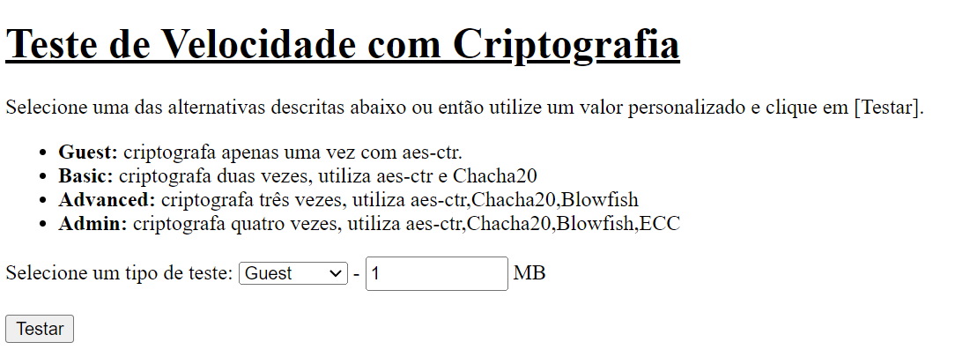

Admin

Encryption time(s) | Packet Size(MB) | Decryption time(s) | Packet Size(MB)
0.059999704361 | 1 | 0.034725666046 | 1
0.11478328705 | 5 | 0.086385965347 | 5
0.16654276848 | 10 | 0.14923119545 | 10
0.27087378502 | 20 | 0.30440354347 | 20
0.91326618195 | 50 | 0.63259959221 | 50
Encryption and decryption time

HIGHPOWER_HMAC_ECC
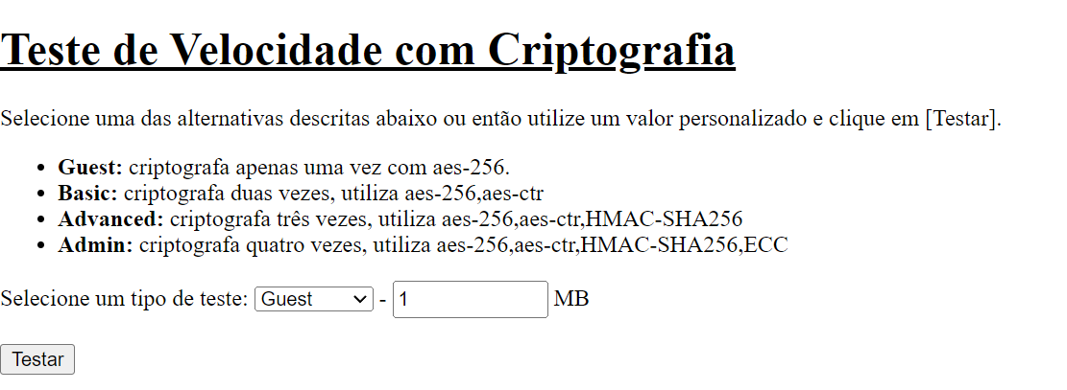

Encryption time
Guest - AES-CTR

Encryption time(s) | Packet Size(MB) | Decryption time(s) | Packet Size(MB)
0.0010001659393 | 1 | 0.00096774101257 | 1
0.0040035247803 | 5 | 0.003999710083 | 5
0.0067229270935 | 10 | 0.0060234069824 | 10
0.012011766434 | 20 | 0.012996673584 | 20
0.028767347336 | 50 | 0.027992963791 | 50

Guest - ECC

Encryption time(s) | Packet Size(MB) | Decryption time(s) | Packet Size(MB)
0.050411224365 | 1 | 0.028918266296 | 1
0.052857637405 | 5 | 0.029477834702 | 5
0.056685209274 | 10 | 0.031117677689 | 10
0.071166992188 | 20 | 0.044950962067 | 20
0.087232112885 | 50 | 0.062861919403 | 50

Guest - blowfish

Encryption time(s) | Packet Size(MB) | Decryption time(s) | Packet Size(MB)
0.0064208507538 | 1 | 0.0052547454834 | 1
0.030915737152 | 5 | 0.028171777725 | 5
0.062403917313 | 10 | 0.057057619095 | 10
0.13536524773 | 20 | 0.13348197937 | 20
0.31026601791 | 50 | 0.32061862946 | 50

decryption time
Guest - chacha20

Encryption time(s) | Packet Size(MB) | Decryption time(s) | Packet Size(MB)
0.00373005867 | 1 | 0.0030012130737 | 1
0.019956588745 | 5 | 0.020488977432 | 5
0.048200130463 | 10 | 0.092948913574 | 10
0.087943315506 | 20 | 0.078235149384 | 20
0.20878911018 | 50 | 0.20878911018 | 50

Guest - HMAC-SHA256

Encryption time(s) | Packet Size(MB) | Decryption time(s) | Packet Size(MB)
0.0042526721954 | 1 | 0.0045213699341 | 1
0.018479585648 | 5 | 0.018127918243 | 5
0.04829788208 | 10 | 0.039841890335 | 10
0.071998119354 | 20 | 0.081046581268 | 20
0.17748689651 | 50 | 0.25205183029 | 50

Guest - AES-128

Encryption time(s) | Packet Size(MB) | Decryption time(s) | Packet Size(MB)
0.00052165985107 | 1 | 0.0010485649109 | 1
0.0035347938538 | 5 | 0.0036952495575 | 5
0.0082938671112 | 10 | 0.010370254517 | 10
0.012590169907 | 20 | 0.011621713638 | 20
0.023467540741 | 50 | 0.021375656128 | 50

Guest - AES-256

Encryption time(s) | Packet Size(MB) | Decryption time(s) | Packet Size(MB)
0.0013127326965 | 1 | 0.00052928924561 | 1
0.003449678421 | 5 | 0.0020105838776 | 5
0.0046052932739 | 10 | 0.0056285858154 | 10
0.010998249054 | 20 | 0.010000228882 | 20
0.021952867508 | 50 | 0.024113178253 | 50

Encryption time

Basic - AES-256,blowfish

Encryption time(s) | Packet Size(MB) | Decryption time(s) | Packet Size(MB)
0.0069897174835 | 1 | 0.0060102939606 | 1
0.033000230789 | 5 | 0.030552148819 | 5
0.065411329269 | 10 | 0.06004858017 | 10
0.12972211838 | 20 | 0.12270760536 | 20
0.31869268417 | 50 | 0.29483890533 | 50

Basic -AES-256,chacha20

Encryption time(s) | Packet Size(MB) | Decryption time(s) | Packet Size(MB)
0.0040035247803 | 1 | 0.0040013790131 | 1
0.020164012909 | 5 | 0.02053809166 | 5
0.040710687637 | 10 | 0.040653944016 | 10
0.080856561661 | 20 | 0.0803835392 | 20
0.19585251808 | 50 | 0.19755077362 | 50

Basic -AES-256,ECC

decryption time
Encryption time(s) | Packet Size(MB) | Decryption time(s) | Packet Size(MB)
0.050552606583 | 1 | 0.026885509491 | 1
0.056349515915 | 5 | 0.030693292618 | 5
0.061578273773 | 10 | 0.040224075317 | 10
0.079314947128 | 20 | 0.054465532303 | 20
0.11088299751 | 50 | 0.088382959366 | 50

Basic -AES-256,HMAC-SHA256

Encryption time(s) | Packet Size(MB) | Decryption time(s) | Packet Size(MB)
0.0045127868652 | 1 | 0.0040676593781 | 1
0.02018737793 | 5 | 0.020406007767 | 5
0.043140172958 | 10 | 0.041953086853 | 10
0.083266973495 | 20 | 0.082952022552 | 20
0.19984912872 | 50 | 0.20321583748 | 50

Basic -AES-256,AES-CTR

Encryption time(s) | Packet Size(MB) | Decryption time(s) | Packet Size(MB)
0.0010001659393 | 1 | 0.00099968910217 | 1
0.0070648193359 | 5 | 0.0064148902893 | 5
0.012959480286 | 10 | 0.012507915497 | 10
0.023314476013 | 20 | 0.023836612701 | 20
0.05252122879 | 50 | 0.054833650589 | 50

Encryption time
Advanced -AES-256,AES-CTR,Blowfish

Encryption time(s) | Packet Size(MB) | Decryption time(s) | Packet Size(MB)
0.0078585147858 | 1 | 0.0072221755981 | 1
0.037499189377 | 5 | 0.035165786743 | 5
0.072759866714 | 10 | 0.067333936691 | 10
0.14608383179 | 20 | 0.15220880508 | 20
0.3638780117 | 50 | 0.34320306778 | 50

Advanced -AES-256,AES-CTR,Chacha20

Encryption time(s) | Packet Size(MB) | Decryption time(s) | Packet Size(MB)
0.0050110816956 | 1 | 0.00652384758 | 1
0.025993585587 | 5 | 0.024804115295 | 5
0.047916650772 | 10 | 0.047885417938 | 10
0.095685005188 | 20 | 0.094135046005 | 20
0.22534275055 | 50 | 0.24045085907 | 50

Advanced -AES-256,AES-CTR,ECC
decryption time
Encryption time(s) | Packet Size(MB) | Decryption time(s) | Packet Size(MB)
0.052273035049 | 1 | 0.027479887009 | 1
0.061957836151 | 5 | 0.03439450264 | 5
0.071181774139 | 10 | 0.048146486282 | 10
0.095668315887 | 20 | 0.074284076691 | 20
0.14344286919 | 50 | 0.12357091904 | 50

Advanced -AES-256,AES-CTR,HMAC-SHA256

Encryption time(s) | Packet Size(MB) | Decryption time(s) | Packet Size(MB)
0.0063149929047 | 1 | 0.0050384998322 | 1
0.025450229645 | 5 | 0.023159742355 | 5
0.047431945801 | 10 | 0.04666352272 | 10
0.094929456711 | 20 | 0.094726324081 | 20
0.22835445404 | 50 | 0.22894287109 | 50

Encryption time
Admin -AES-256,AES-CTR,HMAC-SHA256,Blowfish

Encryption time(s) | Packet Size(MB) | Decryption time(s) | Packet Size(MB)
0.011556625366 | 1 | 0.013553380966 | 1
0.054544687271 | 5 | 0.053088188171 | 5
0.10736393929 | 10 | 0.10585713387 | 10
0.21577000618 | 20 | 0.20667505264 | 20
0.53655552864 | 50 | 0.51851058006 | 50

Admin -AES-256,AES-CTR,HMAC-SHA256,ECC

Encryption time(s) | Packet Size(MB) | Decryption time(s) | Packet Size(MB)
0.053749084473 | 1 | 0.030559062958 | 1
0.074778795242 | 5 | 0.052331447601 | 5
0.10323047638 | 10 | 0.082512378693 | 10
0.16721320152 | 20 | 0.13872027397 | 20
0.31369376183 | 50 | 0.29318737984 | 50
decryption time

Admin -AES-256,AES-CTR,Chacha20,ECC

Encryption time(s) | Packet Size(MB) | Decryption time(s) | Packet Size(MB)
0.053361654282 | 1 | 0.030938148499 | 1
0.077208042145 | 5 | 0.055166244507 | 5
0.10483264923 | 10 | 0.087387561798 | 10
0.16454744339 | 20 | 0.13892292976 | 20
0.31508636475 | 50 | 0.29159164429 | 50

Versão2
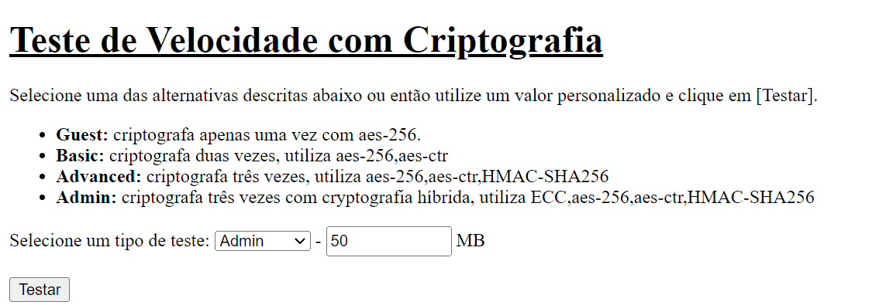
Admin - ECC(Hybrid),AES-256,AES-CTR,HMAC-SHA256

Encryption time(s) | Packet Size(MB) | Decryption time(s) | Packet Size(MB)
0.14978003502 | 1 | 0.079221963882 | 1
0.18157458305 | 5 | 0.10422372818 | 5
0.19133138657 | 10 | 0.12076854706 | 10
0.26195573807 | 20 | 0.25549936295 | 20
0.47031068802 | 50 | 0.47112774849 | 50

Encryption and Decryption time

Versão 3
Admin - AES-CTR,HMAC-SHA256,AES-256,ECC

Encryption Time
 | Admin - AES-CTR,HMAC-SHA256,AES-256,ECC | Admin - AES-256,HMAC-SHA256,AES-CTR,ECC | Admin - HMAC-SHA256,AES256,AES-CTR,ECC | Admin - HMAC-SHA256,AES-CTR,AES-256,ECC | Admin -AES-256,AES-CTR,HMAC-SHA256,ECC
1 | 0.052866458893 | 0.058309316635 | 0.052223682404 | 0.059568166733 | 0.053749084473
5 | 0.075999498367 | 0.076012611389 | 0.078777074814 | 0.075043201447 | 0.074778795242
10 | 0.11484456062 | 0.10670208931 | 0.10125589371 | 0.10199809074 | 0.10323047638
20 | 0.16304469109 | 0.16509175301 | 0.16450452805 | 0.15541672707 | 0.16721320152
50 | 0.42895460129 | 0.37496542931 | 0.46545791626 | 0.32821011543 | 0.31369376183
Encryption time(s) | Packet Size(MB) | Decryption time(s) | Packet Size(MB)
0.052866458893 | 1 | 0.033296585083 | 1
0.075999498367 | 5 | 0.052365779877 | 5
0.11484456062 | 10 | 0.102612257 | 10
0.16304469109 | 20 | 0.16402697563 | 20
0.42895460129 | 50 | 0.44548630714 | 50

Admin - AES-256,HMAC-SHA256,AES-CTR,ECC

Encryption time(s) | Packet Size(MB) | Decryption time(s) | Packet Size(MB)
0.058309316635 | 1 | 0.030488967896 | 1
0.076012611389 | 5 | 0.048987150192 | 5
0.10670208931 | 10 | 0.075479507446 | 10
0.16509175301 | 20 | 0.14376306534 | 20
0.37496542931 | 50 | 0.36439847946 | 50

Admin - HMAC-SHA256,AES256,AES-CTR,ECC

Decryption Time
 | Admin - AES-CTR,HMAC-SHA256,AES-256,ECC | Admin - AES-256,HMAC-SHA256,AES-CTR,ECC | Admin - HMAC-SHA256,AES256,AES-CTR,ECC | Admin - HMAC-SHA256,AES-CTR,AES-256,ECC | Admin -AES-256,AES-CTR,HMAC-SHA256,ECC
1 | 0.033296585083 | 0.030488967896 | 0.03325510025 | 0.032695531845 | 0.030559062958
5 | 0.052365779877 | 0.048987150192 | 0.053999900818 | 0.051695585251 | 0.052331447601
10 | 0.102612257 | 0.075479507446 | 0.07861828804 | 0.078998804092 | 0.082512378693
20 | 0.16402697563 | 0.14376306534 | 0.20259737968 | 0.1325647831 | 0.13872027397
50 | 0.44548630714 | 0.36439847946 | 0.40819311142 | 0.37499475479 | 0.29318737984
Encryption time(s) | Packet Size(MB) | Decryption time(s) | Packet Size(MB)
0.052223682404 | 1 | 0.03325510025 | 1
0.078777074814 | 5 | 0.053999900818 | 5
0.10125589371 | 10 | 0.07861828804 | 10
0.16450452805 | 20 | 0.20259737968 | 20
0.46545791626 | 50 | 0.40819311142 | 50

Admin - HMAC-SHA256,AES-CTR,AES-256,ECC

Encryption time(s) | Packet Size(MB) | Decryption time(s) | Packet Size(MB)
0.059568166733 | 1 | 0.032695531845 | 1
0.075043201447 | 5 | 0.051695585251 | 5
0.10199809074 | 10 | 0.078998804092 | 10
0.15541672707 | 20 | 0.1325647831 | 20
0.32821011543 | 50 | 0.37499475479 | 50

Quantidade de pacotes(Melhor)
Encryption time
Guest - 1 Packet

Encryption time(s) | Packet Size(MB) | Decryption time(s) | Packet Size(MB)
0.0013127326965 | 1 | 0.00052928924561 | 1
0.003449678421 | 5 | 0.0020105838776 | 5
0.0046052932739 | 10 | 0.0056285858154 | 10
0.010998249054 | 20 | 0.010000228882 | 20
0.021952867508 | 50 | 0.024113178253 | 50

Guest - 10 Packets

Encryption time(s) | Packet Size(MB) | Decryption time(s) | Packet Size(MB)
0.0050055980682 | 1 | 0.0059978961945 | 1
0.053676366806 | 5 | 0.068164110184 | 5
0.044214487076 | 10 | 0.050258636475 | 10
0.099986314774 | 20 | 0.12312507629 | 20
0.21646094322 | 50 | 0.21953415871 | 50

Guest - 100 Packets

Encryption time(s) | Packet Size(MB) | Decryption time(s) | Packet Size(MB)
0.043147563934 | 1 | 0.043575048447 | 1
0.23405098915 | 5 | 0.28148913383 | 5
0.43600988388 | 10 | 0.4311645031 | 10
decryption time
0.90472126007 | 20 | 1.0410289764 | 20
7.3448884487 | 50 | 7.499332428 | 50

Guest - 1000 Packets

Encryption time(s) | Packet Size(MB) | Decryption time(s) | Packet Size(MB)
0.44268774986 | 1 | 0.43645954132 | 1
7.2937753201 | 5 | 7.334195137 | 5
67.493190527 | 10 | 67.600952625 | 10
 | 20 |  | 20
 | 50 |  | 50

Guest - 10,000 Packet

Encryption time(s) | Packet Size(MB) | Decryption time(s) | Packet Size(MB)
 | 1 |  | 1
 | 5 |  | 5
 | 10 |  | 10
 | 20 |  | 20
 | 50 |  | 50

Guest - 100,000 Packet

Encryption time(s) | Packet Size(MB) | Decryption time(s) | Packet Size(MB)
 | 1 |  | 1
 | 5 |  | 5
 | 10 |  | 10
 | 20 |  | 20
 | 50 |  | 50

Basic - 1 Packet

Encryption time
Encryption time(s) | Packet Size(MB) | Decryption time(s) | Packet Size(MB)
0.0010001659393 | 1 | 0.00099968910217 | 1
0.0070648193359 | 5 | 0.0064148902893 | 5
0.012959480286 | 10 | 0.012507915497 | 10
0.023314476013 | 20 | 0.023836612701 | 20
0.05252122879 | 50 | 0.054833650589 | 50

Basic - 10 Packets

Encryption time(s) | Packet Size(MB) | Decryption time(s) | Packet Size(MB)
0.012603521347 | 1 | 0.011999845505 | 1
0.096925497055 | 5 | 0.095191955566 | 5
0.1415514946 | 10 | 0.15060806274 | 10
0.23099303246 | 20 | 0.255007267 | 20
0.79606485367 | 50 | 0.80078530312 | 50

Basic - 100 Packets

Encryption time(s) | Packet Size(MB) | Decryption time(s) | Packet Size(MB)
0.098683834076 | 1 | 0.099109649658 | 1
0.64679145813 | 5 | 0.66766119003 | 5
1.0358936787 | 10 | 1.1958734989 | 10
1.3019011021 | 20 | 1.3188145161 | 20
decryption time
8.2111856937 | 50 | 9.0717122555 | 50

Basic - 1000 Packets

Encryption time(s) | Packet Size(MB) | Decryption time(s) | Packet Size(MB)
 | 1 |  | 1
 | 5 |  | 5
 | 10 |  | 10
 | 20 |  | 20
 | 50 |  | 50

Basic - 10,000 Packet

Encryption time(s) | Packet Size(MB) | Decryption time(s) | Packet Size(MB)
 | 1 |  | 1
 | 5 |  | 5
 | 10 |  | 10
 | 20 |  | 20
 | 50 |  | 50

Basic - 100,000 Packet

Encryption time(s) | Packet Size(MB) | Decryption time(s) | Packet Size(MB)
 | 1 |  | 1
 | 5 |  | 5
 | 10 |  | 10
 | 20 |  | 20
 | 50 |  | 50

Encryption time
Advanced - 1 Packet

Encryption time(s) | Packet Size(MB) | Decryption time(s) | Packet Size(MB)
0.0063149929047 | 1 | 0.0050384998322 | 1
0.025450229645 | 5 | 0.023159742355 | 5
0.047431945801 | 10 | 0.04666352272 | 10
0.094929456711 | 20 | 0.094726324081 | 20
0.22835445404 | 50 | 0.22894287109 | 50

Advanced - 10 Packets

Encryption time(s) | Packet Size(MB) | Decryption time(s) | Packet Size(MB)
0.064731359482 | 1 | 0.05012011528 | 1
0.22764587402 | 5 | 0.22644686699 | 5
0.44703507423 | 10 | 0.44644474983 | 10
0.91363024712 | 20 | 0.92035770416 | 20
2.2502310276 | 50 | 2.3384819031 | 50

Advanced - 100 Packets

decryption time
Encryption time(s) | Packet Size(MB) | Decryption time(s) | Packet Size(MB)
0.44529461861 | 1 | 0.4496049881 | 1
2.2441260815 | 5 | 2.3139672279 | 5
4.5901179314 | 10 | 5.156453371 | 10
9.3473250866 | 20 | 23.327847958 | 20
 | 50 |  | 50

Advanced - 1000 Packets

Encryption time(s) | Packet Size(MB) | Decryption time(s) | Packet Size(MB)
 | 1 |  | 1
 | 5 |  | 5
 | 10 |  | 10
 | 20 |  | 20
 | 50 |  | 50

Advanced - 10,000 Packet

Encryption time(s) | Packet Size(MB) | Decryption time(s) | Packet Size(MB)
 | 1 |  | 1
 | 5 |  | 5
 | 10 |  | 10
 | 20 |  | 20
 | 50 |  | 50

Advanced - 100,000 Packet

Encryption time(s) | Packet Size(MB) | Decryption time(s) | Packet Size(MB)
 | 1 |  | 1
 | 5 |  | 5
 | 10 |  | 10
 | 20 |  | 20
 | 50 |  | 50
Encryption time
Admin - 1 Packet

Encryption time(s) | Packet Size(MB) | Decryption time(s) | Packet Size(MB)
0.053749084473 | 1 | 0.030559062958 | 1
0.074778795242 | 5 | 0.052331447601 | 5
0.10323047638 | 10 | 0.082512378693 | 10
0.16721320152 | 20 | 0.13872027397 | 20
0.31369376183 | 50 | 0.29318737984 | 50

Admin - 10 Packets

Encryption time(s) | Packet Size(MB) | Decryption time(s) | Packet Size(MB)
0.10570120811 | 1 | 0.080039739609 | 1
0.37626767159 | 5 | 0.30831980705 | 5
0.59073781967 | 10 | 0.61450719833 | 10
1.0878443718 | 20 | 1.1767890453 | 20
2.6677393913 | 50 | 3.0693724155 | 50
decryption time
Admin - 100 Packets

Encryption time(s) | Packet Size(MB) | Decryption time(s) | Packet Size(MB)
0.5747525692 | 1 | 0.55142784119 | 1
2.7044148445 | 5 | 2.979568243 | 5
5.6199884415 | 10 | 10.918782234 | 10
16.110524654 | 20 | 36.475500345 | 20
 | 50 |  | 50

Admin - 1000 Packets

Encryption time(s) | Packet Size(MB) | Decryption time(s) | Packet Size(MB)
 | 1 |  | 1
 | 5 |  | 5
 | 10 |  | 10
 | 20 |  | 20
 | 50 |  | 50

Admin - 10,000 Packet

Encryption time(s) | Packet Size(MB) | Decryption time(s) | Packet Size(MB)
 | 1 |  | 1
 | 5 |  | 5
 | 10 |  | 10
 | 20 |  | 20
 | 50 |  | 50

Admin - 100,000 Packet

Encryption time(s) | Packet Size(MB) | Decryption time(s) | Packet Size(MB)
 | 1 |  | 1
 | 5 |  | 5
 | 10 |  | 10
 | 20 |  | 20
 | 50 |  | 50

